GRÁFICO
%HDP - W-80 White
 | 85.6% | 85.6% | #DIV/0! | 0.0% | 0.0%
Linhagem | W-80 White | 0.0% | -100.0% |  | 0.0%
Indicador | %HDP | - | -467
%HDP - W-80 White | 467 | 467 | -
Soma de Resultado
Rótulos de Linha | UYU | Total Geral
20 | 35.1 | 35.1
21 | 55.6 | 55.6
22 | 75.2 | 75.2
23 | 87.5 | 87.5
24 | 91.1 | 91.1
25 | 93.4 | 93.4
26 | 94.5 | 94.5
27 | 95.2 | 95.2
28 | 95.3 | 95.3
29 | 95.4 | 95.4
30 | 95.5 | 95.5
31 | 95.8 | 95.8
32 | 96.3 | 96.3
33 | 96.5 | 96.5
34 | 96.2 | 96.2
35 | 95.9 | 95.9
36 | 95.8 | 95.8
37 | 95.7 | 95.7
38 | 95.6 | 95.6
39 | 95.5 | 95.5
40 | 95.5 | 95.5
41 | 95.4 | 95.4
42 | 95.3 | 95.3
43 | 95 | 95
44 | 94.8 | 94.8
45 | 94.7 | 94.7
46 | 94.6 | 94.6
47 | 94.4 | 94.4
48 | 94.3 | 94.3
49 | 94.2 | 94.2
50 | 94.1 | 94.1
51 | 94 | 94
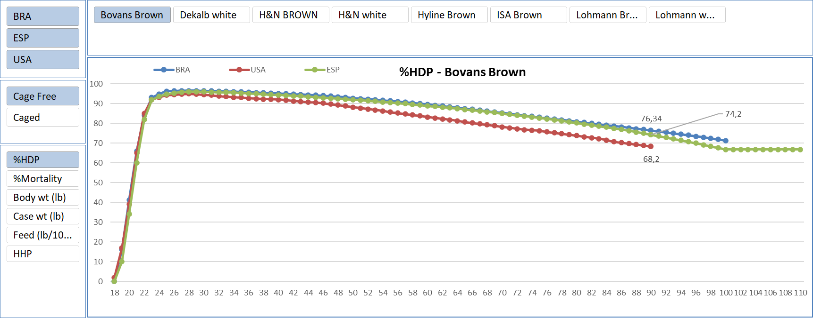
52 | 93.8 | 93.8
53 | 93.5 | 93.5
54 | 92.2 | 92.2
55 | 92 | 92
56 | 91.9 | 91.9
57 | 90.5 | 90.5
58 | 90.1 | 90.1
59 | 89.9 | 89.9
60 | 88.7 | 88.7
61 | 88.5 | 88.5
62 | 87.3 | 87.3
63 | 86.2 | 86.2
64 | 86.2 | 86.2
65 | 86.1 | 86.1
66 | 85.5 | 85.5
67 | 84.4 | 84.4
68 | 84.1 | 84.1
69 | 83.7 | 83.7
70 | 83.5 | 83.5
71 | 83.1 | 83.1
72 | 82.6 | 82.6
73 | 82.2 | 82.2
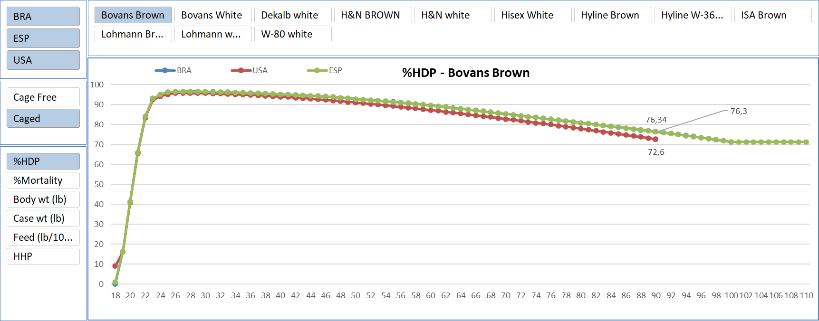
74 | 81.4 | 81.4
75 | 81 | 81
76 | 80.5 | 80.5
77 | 79.7 | 79.7
78 | 79.6 | 79.6
79 | 79.2 | 79.2
80 | 78.4 | 78.4
81 | 78.2 | 78.2
82 | 78 | 78
83 | 77.6 | 77.6
84 | 77.4 | 77.4
85 | 77.2 | 77.2
86 | 77 | 77
87 | 76 | 76
88 | 75.3 | 75.3
89 | 75 | 75
90 | 74.2 | 74.2
91 | 74 | 74
92 | 73.8 | 73.8
93 | 73.2 | 73.2
94 | 73 | 73
95 | 72.8 | 72.8
96 | 72.6 | 72.6
97 | 72 | 72
98 | 71 | 71
99 | 70.3 | 70.3
100 | 70 | 70
Total Geral | 6887.8 | 6887.8

GRÁFICO v2
 | 84.0% | 83.7% | 166.7% | 0.3% | -0.3%
Linhagem | Hyline Brown | -1.6% | 98.4% |  | 0.3%
Indicador | %HDP | -7 | 451
%HDP - Hyline Brown | 459 | 451 | 910
%HDP - Hyline Brown
Soma de Resultado
Rótulos de Linha | BRA - Hyline Brown | UYU - Hyline Brown | Total Geral
18 | 14 |  | 14
19 | 38 | 18.7 | 56.7
20 | 72 | 30.8 | 102.8
21 | 86 | 61.4 | 147.4
22 | 92 | 82.4 | 174.4
23 | 94 | 90.6 | 184.6
24 | 95 | 93.2 | 188.2
25 | 95 | 94.2 | 189.2
26 | 96 | 94.6 | 190.6
27 | 96 | 94.8 | 190.8
28 | 96 | 94.8 | 190.8
29 | 96 | 94.8 | 190.8
30 | 96 | 94.8 | 190.8
31 | 96 | 94.7 | 190.7
32 | 95 | 94.7 | 189.7
33 | 95 | 94.6 | 189.6
34 | 95 | 94.4 | 189.4
35 | 95 | 94.2 | 189.2
36 | 94 | 94 | 188
37 | 94 | 93.7 | 187.7
38 | 94 | 93.5 | 187.5
39 | 93 | 93.3 | 186.3
40 | 93 | 93.1 | 186.1
41 | 93 | 92.8 | 185.8
42 | 92 | 92.5 | 184.5
43 | 92 | 92.1 | 184.1
44 | 92 | 91.8 | 183.8
45 | 91 | 91.5 | 182.5
46 | 91 | 91.2 | 182.2
47 | 90 | 90.9 | 180.9
48 | 90 | 90.7 | 180.7
49 | 90 | 90.4 | 180.4
50 | 89 | 90 | 179
51 | 89 | 89.8 | 178.8
52 | 89 | 89.6 | 178.6
53 | 88 | 89.4 | 177.4
54 | 88 | 89.3 | 177.3
55 | 88 | 88.9 | 176.9
56 | 87 | 88.7 | 175.7
57 | 87 | 88.4 | 175.4
58 | 87 | 88.2 | 175.2
59 | 87 | 87.9 | 174.9
60 | 86 | 87.6 | 173.6
61 | 86 | 87.3 | 173.3
62 | 86 | 87 | 173
63 | 85 | 86.7 | 171.7
64 | 85 | 86.4 | 171.4
65 | 85 | 86.1 | 171.1
66 | 84 | 85.6 | 169.6
67 | 84 | 85.1 | 169.1
68 | 83 | 84.5 | 167.5
69 | 82 | 83.8 | 165.8
70 | 82 | 83.2 | 165.2
71 | 81 | 82.7 | 163.7
72 | 81 | 82 | 163
73 | 80 | 81.4 | 161.4
74 | 80 | 80.7 | 160.7
75 | 79 | 80.1 | 159.1
76 | 78 | 79.5 | 157.5
77 | 77 | 78.9 | 155.9
78 | 77 | 78.3 | 155.3
79 | 77 | 77.7 | 154.7
80 | 76 | 77.1 | 153.1
81 | 76 | 76.6 | 152.6
82 | 76 | 76.1 | 152.1
83 | 75 | 75.6 | 150.6
84 | 75 | 75.2 | 150.2
85 | 75 | 74.8 | 149.8
86 | 75 | 74.4 | 149.4
87 | 74 | 74 | 148
88 | 74 | 73.6 | 147.6
89 | 74 | 73.3 | 147.3
90 | 74 | 73 | 147
91 | 75.86 | 72.7 | 148.56
92 | 76.07 | 72.4 | 148.47
93 | 76.29 | 72.1 | 148.39
94 | 76.5 | 71.8 | 148.3
95 | 76.71 | 71.5 | 148.21
96 | 76.93 | 71.2 | 148.13
97 | 77.14 | 70.9 | 148.04
98 | 77.36 | 70.6 | 147.96
99 | 77.57 | 70.3 | 147.87
100 | 77.79 | 70 | 147.79
101 | 77.79 |  | 77.79
102 | 77.79 |  | 77.79
103 | 77.79 |  | 77.79
104 | 77.79 |  | 77.79
105 | 77.79 |  | 77.79
106 | 77.79 |  | 77.79
107 | 77.79 |  | 77.79
108 | 77.79 |  | 77.79
109 | 77.79 |  | 77.79
110 | 77.79 |  | 77.79
111 | 77.79 |  | 77.79
112 | 77.79 |  | 77.79
113 | 77.79 |  | 77.79
114 | 77.79 |  | 77.79
115 | 77.79 |  | 77.79
116 | 77.79 |  | 77.79
117 | 77.79 |  | 77.79
118 | 77.79 |  | 77.79
119 | 77.79 |  | 77.79
120 | 77.79 |  | 77.79
121 | 77.79 |  | 77.79
122 | 77.79 |  | 77.79
123 | 77.79 |  | 77.79
124 | 77.79 |  | 77.79
125 | 77.79 |  | 77.79
126 | 77.79 |  | 77.79
Total Geral | 8962.76 | 6801.2 | 15763.96

